Sheet1
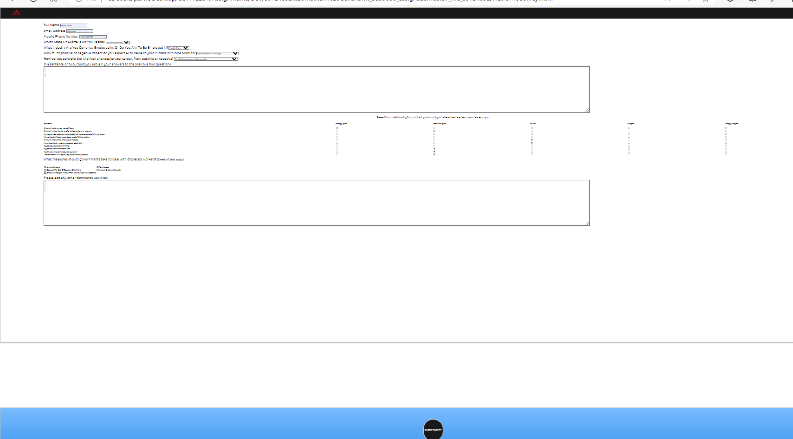
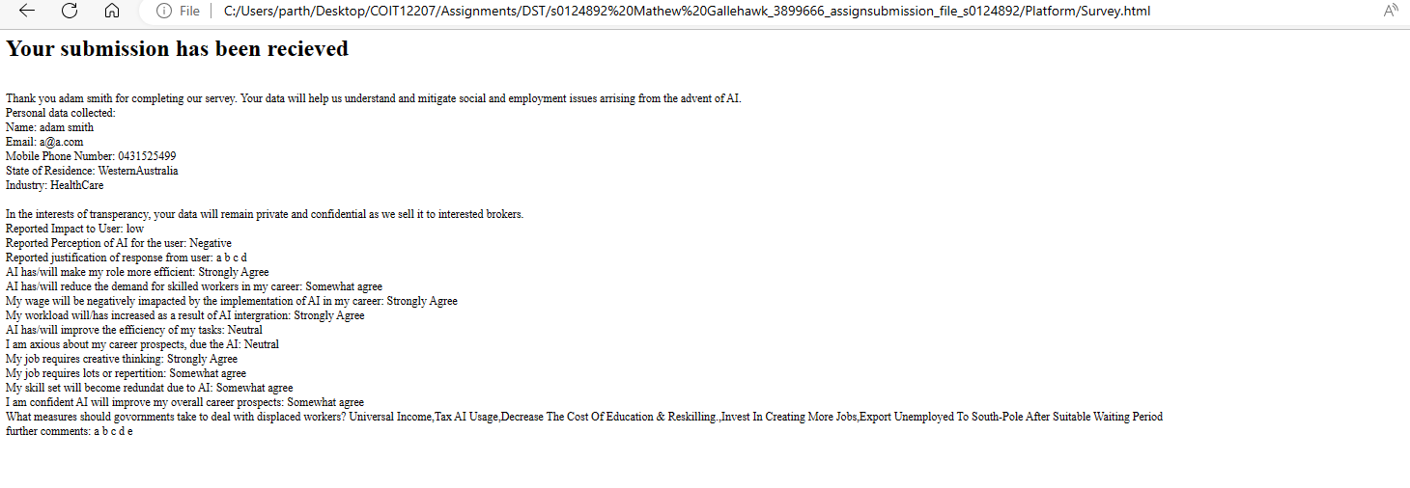
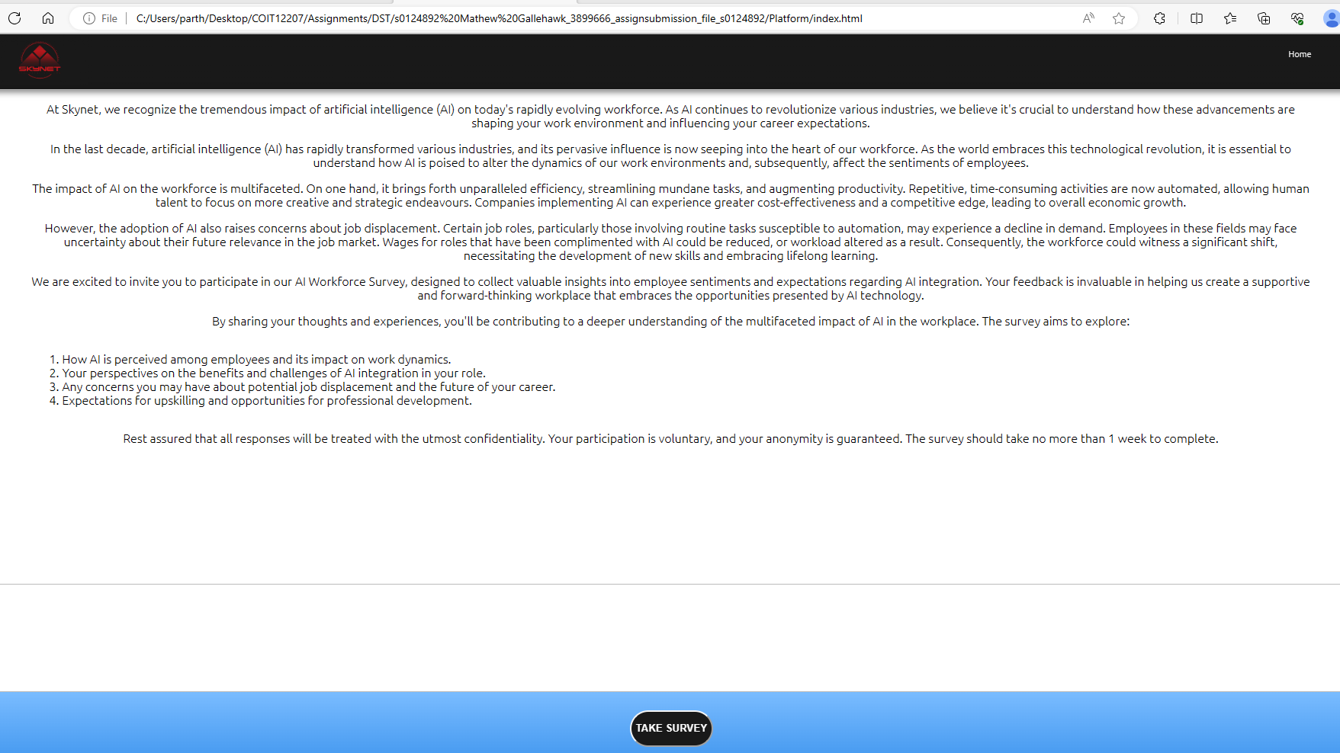
COIT12207 Assignment 1 Marking sheet | s0124892 | Mathew Gallehawk | Comments
Item | Marks Allocated | Marks Awarded (out of 100)
Page Structure
HTML Documents structured correctly | 1 | 1
Headers properly defined | 1 | 1
HTML document have appropriate indentation and spacing | 1 | 1
Library Reference
Stylesheet and JavaScript library correctly referenced | 1 | 0.5 | Script should be in external file.
Form Elements
Name field | 1 | 1
State field | 1 | 1
Email | 1 | 1
Phone | 1 | 1
Input text field | 0.5 | 0.5
Select input | 1 | 1
Radio buttons | 1 | 1
Checkboxes | 1 | 1
Textarea | 0.5 | 0.5
JavaScript functions
meaningful variables | 0.5 | 0 | Poor ie)ele,Q2 etc
Text input read | 0.5 | 0.5
Select option read | 2 | 2
Radio buttons read | 2 | 2
Checkboxes read | 2 | 2
Textarea read | 1 | 1
Display message | 1 | 1
Thank you message | 1 | 1
Site Pages
Index page - Introduction | 2 | 2
Index page - link | 0.5 | 0.5
Index page - layout and appearance | 0.5 | 0.5
Form page - Questions ralavance | 2.5 | 2.5
Form page - layout and appearance | 0.5 | 0 | Poor
Responsiveness
All pages responsive and mobile friendly | 1 | 1
CSS Style
Custom sylesheet used, referenced and loaded | 1 | 1
Total (out of 100) | 30 | 28.5
Deduction (late submission, plagrism etc )
Final Total (out of 30) | 30 | 28.5

Overall Comments:Well done.The layout of survey is poor. Script should be in an external file. It can be shared with multiple hml files and easy to maintain.
Marker: Partha Gangavalli

